Sprint Data Results
Data Analysis 12/04/22-Current (1/15/23)
Percentage of Current Residents with a Completed Vaccination who Received a COVID-19 Vaccine Booster at Any Time
(Vaccine QII Booster Referrals)

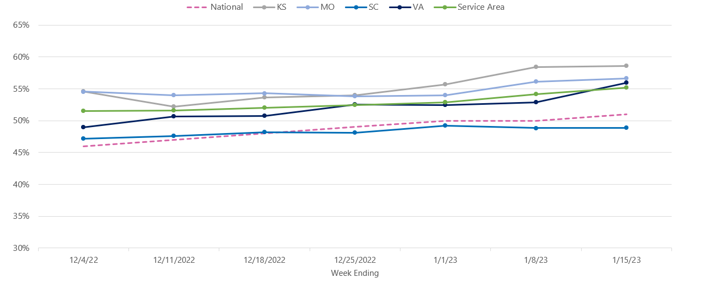

 |  | Reporting from NHSN as of week ending:
Residents Up-To-Date Rate Tracking | 12/4/22 | 12/11/22 | 12/18/22 | 12/25/22 | 1/1/23 | 1/8/23 | 1/15/23
Denominator: Number of Residents Staying in this Facility for At Least 1 Day This Week who Received a Completed COVID-19 Vaccination at Any Time | 47,964 | 47,935 | 47,932 | 47,392 | 46,866 | 46,442 | 38,269
Numerator: Number of Residents Staying in this Facility for At Least 1 Day This Week Up to Date with COVID-19 Vaccines | 24,709 | 24,734 | 24,931 | 24,853 | 24,792 | 25,133 | 21,126
Residents COVID-19 Vaccine Up-To-Date Rate: | 51.5% | 51.6% | 52.0% | 52.4% | 52.9% | 54.1% | 55.2%
% RIR since DCO Start: | 0.0% | 0.2% | 1.0% | 1.8% | 2.7% | 5.0% | 7.2%

RIR
QIN/QIO Name: Health Quality Innovators (HQI)
Region: KS, MO, SC, VA

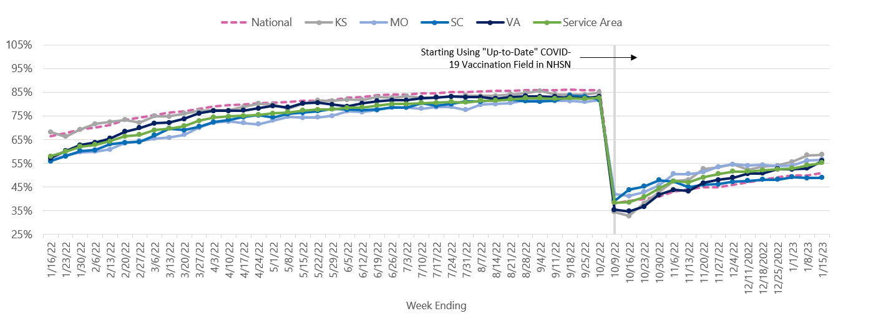
Percentage of Current Residents with a Completed Vaccination who Received a COVID-19 Vaccine Booster at Any Time (Vaccine QII Booster Referrals)

