Sprint Data Results
Data Analysis 12/04/22-Current (5/7/23)
Percentage of Current Residents with a Completed Vaccination who Received a COVID-19 Vaccine Booster at Any Time
(Vaccine QII Booster Referrals)

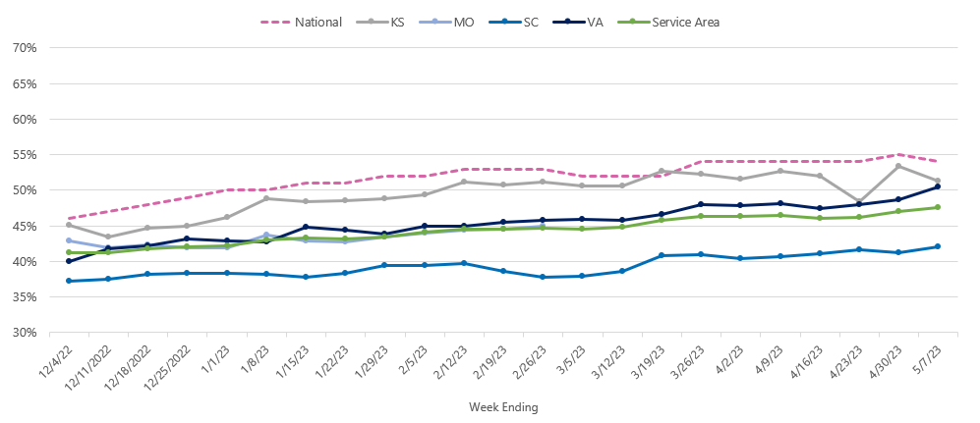

 |  | Reporting from NHSN as of week ending:
Residents Up-To-Date Rate Tracking | 12/4/22 | 12/11/22 | 12/18/22 | 12/25/22 | 1/1/23 | 1/8/23 | 1/15/23 | 1/22/23 | 1/29/23 | 2/5/23 | 2/12/23 | 2/19/23 | 2/26/23 | 3/5/23 | 3/12/23 | 3/19/23 | 3/26/23 | 4/2/23 | 4/9/23 | 4/16/23 | 4/23/23 | 4/30/23 | 5/7/23
Denominator: Number of Residents Staying in this Facility for At Least 1 Day This Week who Received a Completed COVID-19 Vaccination at Any Time | 58,417 | 58,415 | 58,574 | 58,533 | 58,012 | 58,186 | 49,549 | 58,523 | 58,722 | 58,838 | 58,919 | 58,716 | 58,187 | 46,981 | 58,500 | 46,147 | 43,754 | 43,087 | 42,366 | 53,083 | 55,427 | 52,548 | 42,267
Numerator: Number of Residents Staying in this Facility for At Least 1 Day This Week Up to Date with COVID-19 Vaccines | 26,267 | 26,199 | 26,501 | 26,633 | 26,673 | 27,153 | 27,540 | 27,353 | 27,633 | 28,040 | 28,122 | 28,119 | 27,922 | 22,882 | 27,744 | 22,608 | 21,140 | 20,784 | 20,279 | 24,426 | 25,572 | 24,702 | 20,133
Residents COVID-19 Vaccine Up-To-Date Rate: | 45.0% | 44.8% | 45.2% | 45.5% | 46.0% | 46.7% | 55.6% | 46.7% | 47.1% | 47.7% | 47.7% | 47.9% | 48.0% | 48.7% | 47.4% | 49.0% | 48.3% | 48.2% | 47.9% | 46.0% | 46.1% | 47.0% | 47.6%
% RIR since DCO Start: | 0.0% | -0.3% | 0.6% | 1.2% | 2.3% | 3.8% | 23.6% | 3.9% | 4.7% | 6.0% | 6.1% | 6.5% | 6.7% | 8.3% | 7.8% | 11.3% | 12.1% | 13.1% | 13.9% | 11.2% | 12.0% | 14.1% | 15.6%

RIR
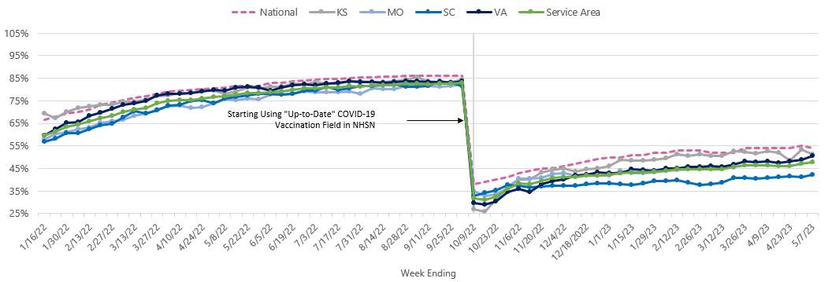
QIN/QIO Name: Health Quality Innovators (HQI)
Region: KS, MO, SC, VA

Percentage of Current Residents with a Completed Vaccination who Received a COVID-19 Vaccine Booster at Any Time (Vaccine QII Booster Referrals)

